Small Value
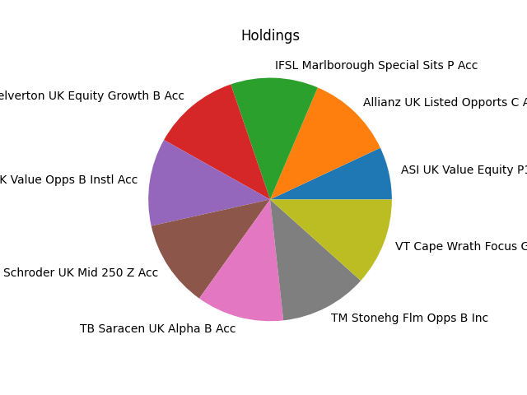
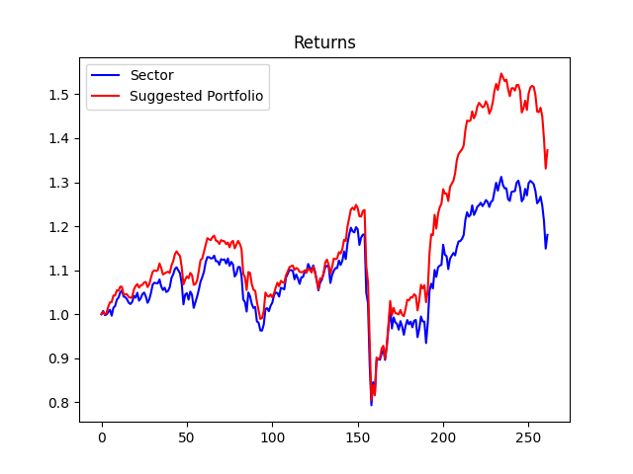
Strategy | Weight
Allianz UK Listed Opports C Acc GBP | 10.0%
ASI UK Value Equity P1 Acc | 6.0%
IFSL Marlborough Special Sits P Acc | 10.0%
MI Chelverton UK Equity Growth B Acc | 10.0%
Premier Miton UK Value Opps B Instl Acc | 10.0%
Schroder UK Mid 250 Z Acc | 10.0%
TB Saracen UK Alpha B Acc | 10.0%
TM Stonehg Flm Opps B Inc | 10.0%
VT Cape Wrath Focus GBP A Net Acc | 10.0%

Small Core
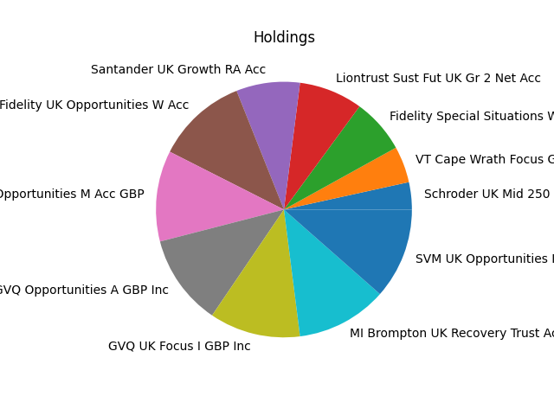
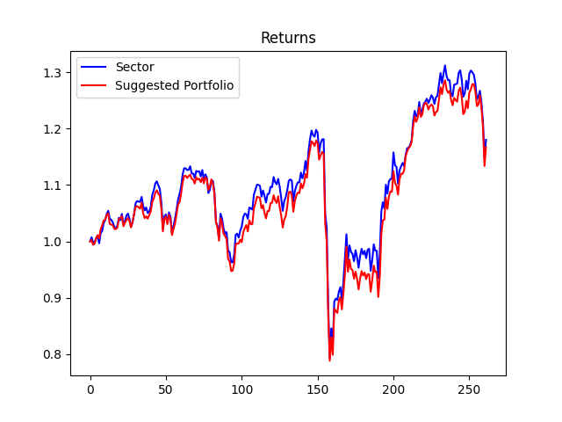
Strategy | Weight
Fidelity Special Situations W Acc | 6.0%
Fidelity UK Opportunities W Acc | 10.0%
GlobalAccess UK Opportunities M Acc GBP | 10.0%
GVQ Opportunities A GBP Inc | 10.0%
GVQ UK Focus I GBP Inc | 10.0%
Liontrust Sust Fut UK Gr 2 Net Acc | 7.000000000000001%
MI Brompton UK Recovery Trust Acc | 10.0%
Santander UK Growth RA Acc | 7.000000000000001%
Schroder UK Mid 250 Z Acc | 3.0%
SVM UK Opportunities Instl | 10.0%
VT Cape Wrath Focus GBP A Net Acc | 4.0%

Small Growth
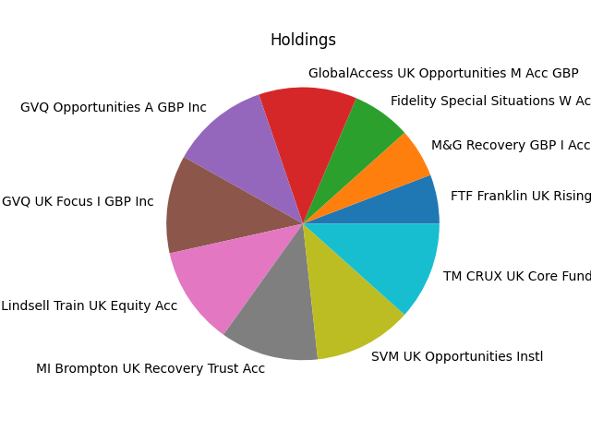
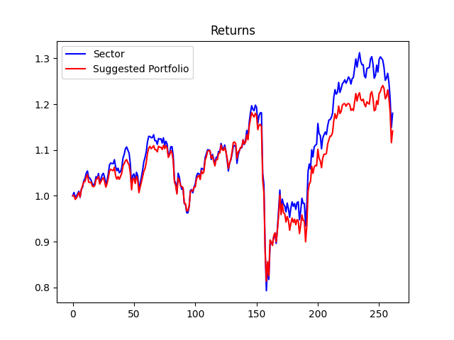
Strategy | Weight
Fidelity Special Situations W Acc | 6.0%
FTF Franklin UK Rising Dividends W Acc | 5.0%
GlobalAccess UK Opportunities M Acc GBP | 10.0%
GVQ Opportunities A GBP Inc | 10.0%
GVQ UK Focus I GBP Inc | 10.0%
LF Lindsell Train UK Equity Acc | 10.0%
M&G Recovery GBP I Acc | 5.0%
MI Brompton UK Recovery Trust Acc | 10.0%
SVM UK Opportunities Instl | 10.0%
TM CRUX UK Core Fund B Inc | 10.0%

Mid Value
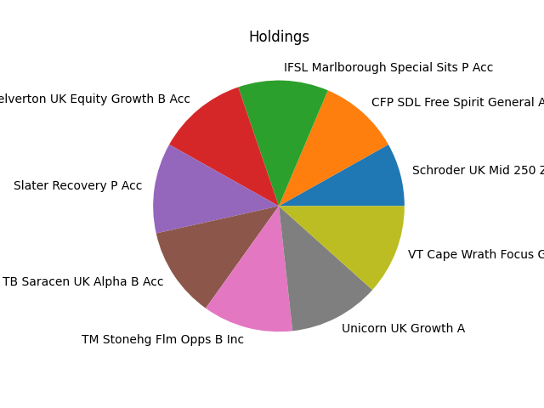
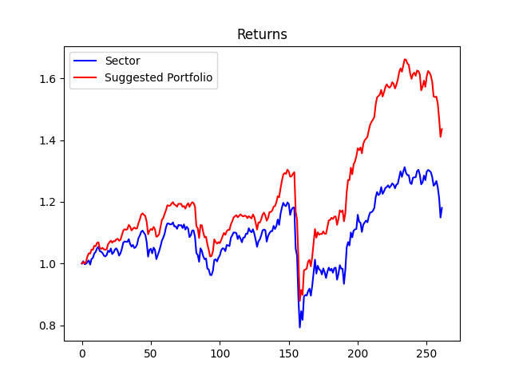
Strategy | Weight
CFP SDL Free Spirit General Acc | 9.0%
IFSL Marlborough Special Sits P Acc | 10.0%
MI Chelverton UK Equity Growth B Acc | 10.0%
Schroder UK Mid 250 Z Acc | 7.000000000000001%
Slater Recovery P Acc | 10.0%
TB Saracen UK Alpha B Acc | 10.0%
TM Stonehg Flm Opps B Inc | 10.0%
Unicorn UK Growth A | 10.0%
VT Cape Wrath Focus GBP A Net Acc | 10.0%

Mid Balanced
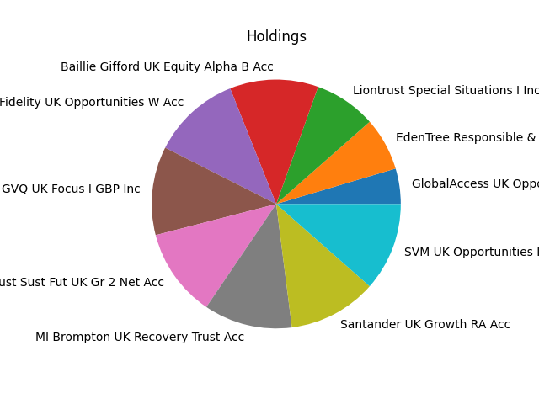
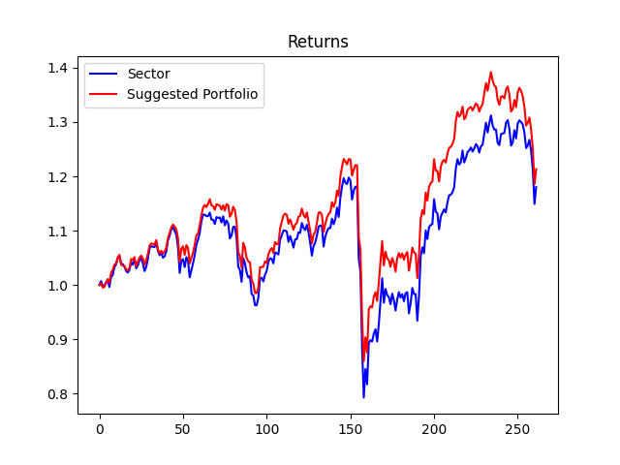
Strategy | Weight
Baillie Gifford UK Equity Alpha B Acc | 10.0%
EdenTree Responsible & Sust UK Eq Opps B | 6.0%
Fidelity UK Opportunities W Acc | 10.0%
GlobalAccess UK Opportunities M Acc GBP | 4.0%
GVQ UK Focus I GBP Inc | 10.0%
Liontrust Special Situations I Inc | 7.000000000000001%
Liontrust Sust Fut UK Gr 2 Net Acc | 10.0%
MI Brompton UK Recovery Trust Acc | 10.0%
Santander UK Growth RA Acc | 10.0%
SVM UK Opportunities Instl | 10.0%

Mid Growth
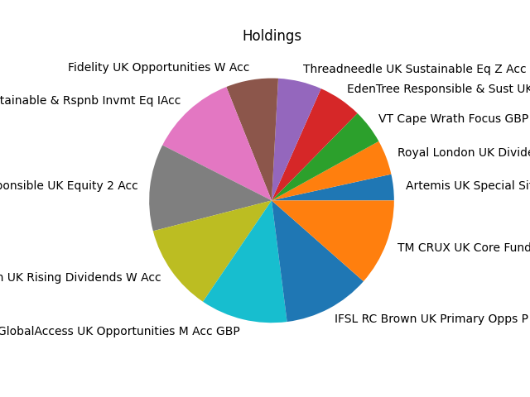
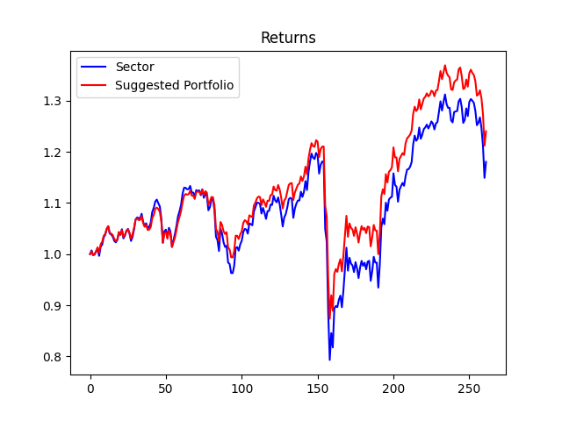
Strategy | Weight
Artemis UK Special Situations I Acc | 3.0%
ASI UK Sustainable & Rspnb Invmt Eq IAcc | 10.0%
BMO Responsible UK Equity 2 Acc | 10.0%
EdenTree Responsible & Sust UK Eq Opps B | 5.0%
Fidelity UK Opportunities W Acc | 6.0%
FTF Franklin UK Rising Dividends W Acc | 10.0%
GlobalAccess UK Opportunities M Acc GBP | 10.0%
IFSL RC Brown UK Primary Opps P Inc | 10.0%
Royal London UK Dividend Growth M | 4.0%
Threadneedle UK Sustainable Eq Z Acc | 5.0%
TM CRUX UK Core Fund B Inc | 10.0%
VT Cape Wrath Focus GBP A Net Acc | 4.0%

Large Value
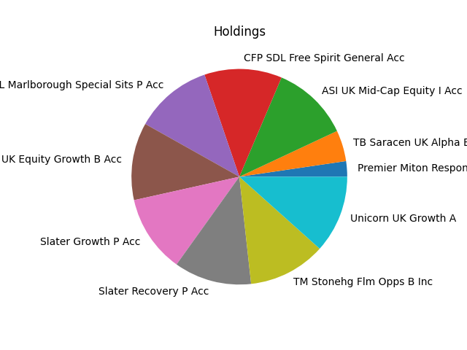
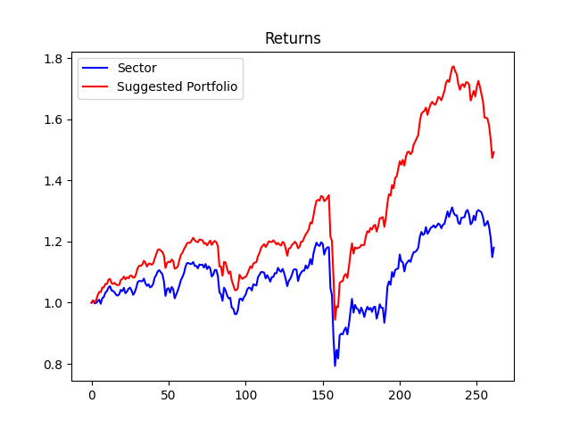
Strategy | Weight
ASI UK Mid-Cap Equity I Acc | 10.0%
CFP SDL Free Spirit General Acc | 10.0%
IFSL Marlborough Special Sits P Acc | 10.0%
MI Chelverton UK Equity Growth B Acc | 10.0%
Premier Miton Responsible UK Eq C Inc | 2.0%
Slater Growth P Acc | 10.0%
Slater Recovery P Acc | 10.0%
TB Saracen UK Alpha B Acc | 4.0%
TM Stonehg Flm Opps B Inc | 10.0%
Unicorn UK Growth A | 10.0%

Large Balanced
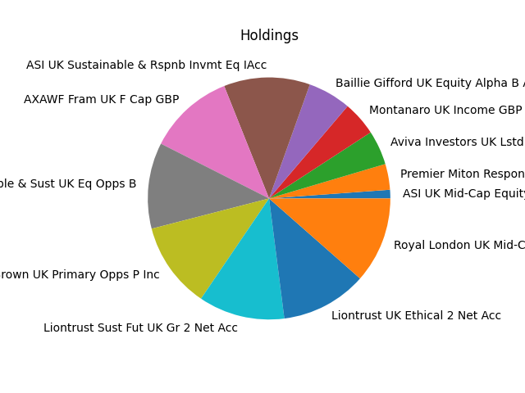
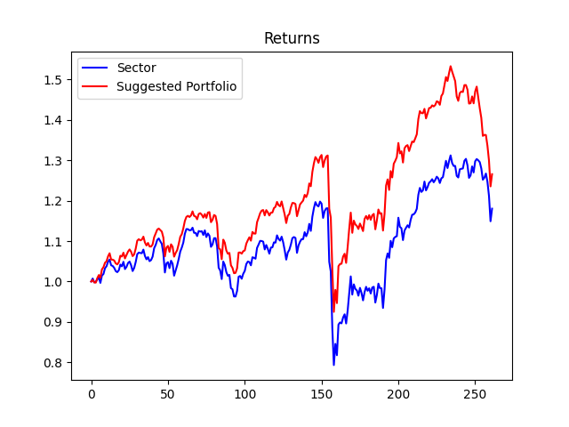
Strategy | Weight
ASI UK Mid-Cap Equity I Acc | 1.0%
ASI UK Sustainable & Rspnb Invmt Eq IAcc | 10.0%
Aviva Investors UK Lstd S&M Cap2 GBP Acc | 4.0%
AXAWF Fram UK F Cap GBP | 10.0%
Baillie Gifford UK Equity Alpha B Acc | 5.0%
EdenTree Responsible & Sust UK Eq Opps B | 10.0%
IFSL RC Brown UK Primary Opps P Inc | 10.0%
Liontrust Sust Fut UK Gr 2 Net Acc | 10.0%
Liontrust UK Ethical 2 Net Acc | 10.0%
Montanaro UK Income GBP | 4.0%
Premier Miton Responsible UK Eq C Inc | 3.0%
Royal London UK Mid-Cap Growth Instl M | 10.0%

Large Growth
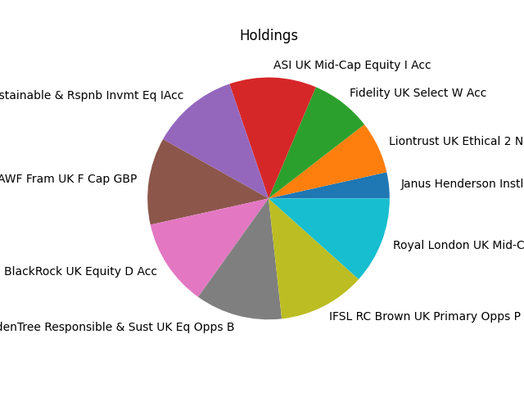
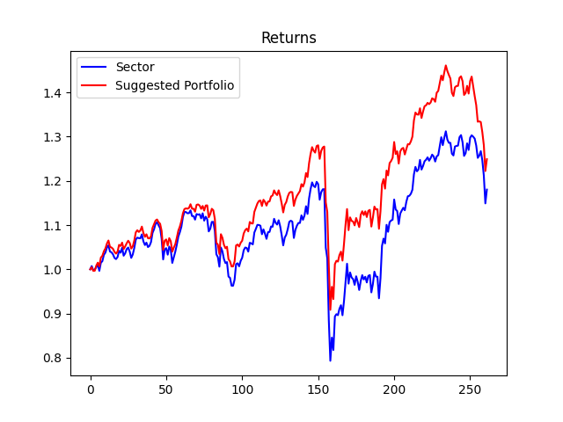
Strategy | Weight
ASI UK Mid-Cap Equity I Acc | 10.0%
ASI UK Sustainable & Rspnb Invmt Eq IAcc | 10.0%
AXAWF Fram UK F Cap GBP | 10.0%
BlackRock UK Equity D Acc | 10.0%
EdenTree Responsible & Sust UK Eq Opps B | 10.0%
Fidelity UK Select W Acc | 7.000000000000001%
IFSL RC Brown UK Primary Opps P Inc | 10.0%
Janus Henderson Instl UK Idx Opps I Acc | 3.0%
Liontrust UK Ethical 2 Net Acc | 6.0%
Royal London UK Mid-Cap Growth Instl M | 10.0%

Portfolio Comparison
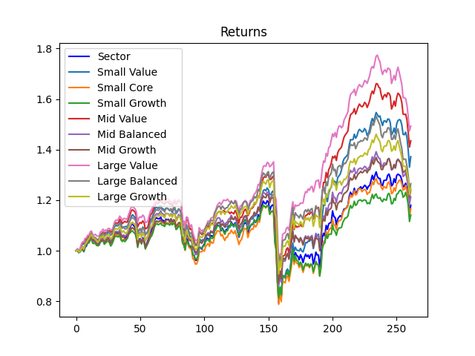
Investment Style | Total Return
Small Value | 1.37%
Small Core | 1.17%
Small Growth | 1.14%
Mid Value | 1.44%
Mid Balanced | 1.21%
Mid Growth | 1.24%
Large Value | 1.49%
Large Balanced | 1.27%
Large Growth | 1.25%

